(L1)First&Last (ISIR)
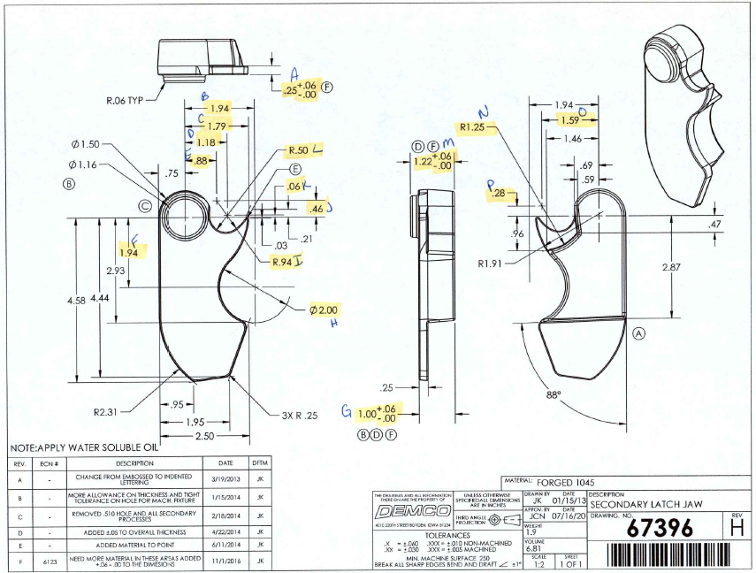
 | L1- First & Last Part Inspection

Level 1 (ISIR) Initial Sample Inspection Report
*THIS MUST BE COMPLETED FOR EACH TOOL/CAVITY USED DURING PRODUCTION RUN
Inspected By: |  |  | Supplier: |  |  | Date:
Part # 67396 REV: H |  |  |  | Product Description: Secondary Latch Jaw
PO # |  |  |  | Lot #
Highlighted feature | Print Dimension | Tolerance | Maximum | Minimum | Input Actual Dimension | Pass / Fail Result | Remarks
First Part |  |  |  |  |  | Tooling/Cavity # if applicable ( )
A. | .25 | +.06 - .00 | .31 | .25
B. | 1.94 | +/- .030 | 1.97 | 1.91
C. | 1.79 | +/- .030 | 1.82 | 1.74
D. | 1.18 | +/- .030 | 1.21 | 1.15
E. | .88 | +/- .030 | .91 | .85
F. | 1.94 | +/- .030 | 1.97 | 1.91
G. | 1.00 | +.06 - .00 | 1.06 | 1.00
H. | 2.00 | +/- .030 | 2.03 | 1.97
I. | R.94 | +/- .030 | .97 | .91
J. | .46 | +/- .030 | .49 | .43
K. | .06 | +/- .030 | .09 | .03
L. | R.50 | +/- .030 | .53 | .47
M. | 1.22 | +.06 - .00 | 1.28 | 1.22
N. | R1.25 | +/- .030 | 1.28 | 1.22
O. | 1.59 | +/- .030 | 1.62 | 1.56
P. | .28 | +/- .030 | .32 | .25
Highlighted feature | Print Dimension | Tolerance | Maximum | Minimum | Actual Dimension | Pass / Fail Result | Remarks
Last Part |  |  |  |  |  | Tooling/Cavity # if applicable ( )
A. | .25 | +.06 - .00 | .31 | .25
B. | 1.94 | +/- .030 | 1.97 | 1.91
C. | 1.79 | +/- .030 | 1.82 | 1.74
D. | 1.18 | +/- .030 | 1.21 | 1.15
E. | .88 | +/- .030 | .91 | .85
F. | 1.94 | +/- .030 | 1.97 | 1.91
G. | 1.00 | +.06 - .00 | 1.06 | 1.00
H. | 2.00 | +/- .030 | 2.03 | 1.97
I. | R.94 | +/- .030 | .97 | .91
J. | .46 | +/- .030 | .49 | .43
K. | .06 | +/- .030 | .09 | .03
L. | R.50 | +/- .030 | .53 | .47
M. | 1.22 | +.06 - .00 | 1.28 | 1.22
N. | R1.25 | +/- .030 | 1.28 | 1.22
O. | 1.59 | +/- .030 | 1.62 | 1.56
P. | .28 | +/- .030 | .32 | .25

(L2) Process capability (ISIR)
 | The intent of this sheet is to find out repeatability of the process to upper & lower control limits
L2

Level 2 (ISIR) Initial Sample Inspection Report
Inspected By: |  |  |  |  |  |  |  |  |  |  |  |  |  |  |  |  | Date:
Part # 67396 REV: H |  |  |  |  |  | Product Description: Secondary Latch Jaw |  |  |  |  |  |  | Tooling Cavities/Mold used on lot run; (example:#2 & #3 used)
 | Dimension | Tolerance | Maximum | Minimum | Sample #1 | Sample #2 | Sample #3 | Sample #4 | Sample #5 | Sample #6 | Sample #7 | Sample #8 | Sample #9 | Sample #10 | Sample #11 | Sample #12 | Sample #13 | Sample #14 | Sample #15 | Results Pass/Fail | Deviation
Mold/Tool Cavity # if Applicable |  |  |  |  | # | # | # | # | # | # | # | # | # | # | # | # | # | # | #
*A. | .25 | +.06 - .00 | .31 | .25
*B. | 1.94 | +/- .030 | 1.97 | 1.91
*C. | 1.79 | +/- .030 | 1.82 | 1.74
*D. | 1.18 | +/- .030 | 1.21 | 1.15
*E. | .88 | +/- .030 | .91 | .85
*F. | 1.94 | +/- .030 | 1.97 | 1.91
*G. | 1.00 | +.06 - .00 | 1.06 | 1.00
*H. | 2.00 | +/- .030 | 2.03 | 1.97
*I. | R.94 | +/- .030 | .97 | .91
*J. | .46 | +/- .030 | .49 | .43
*K. | .06 | +/- .030 | .09 | .03
*L. | R.50 | +/- .030 | .53 | .47
*M. | 1.22 | +.06 - .00 | 1.28 | 1.22
*N. | R1.25 | +/- .030 | 1.28 | 1.22
*O. | 1.59 | +/- .030 | 1.62 | 1.56
*P. | .28 | +/- .030 | .32 | .25
 | Dimension | Tolerance | Maximum | Minimum | Sample #16 | Sample #17 | Sample #18 | Sample #19 | Sample #20 | Sample #21 | Sample #22 | Sample #23 | Sample #24 | Sample #25 | Sample #26 | Sample #27 | Sample #28 | Sample #29 | Sample #30 | Results Pass/Fail | Deviation
Mold/Tool Cavity # if Applicable |  |  |  |  | # | # | # | # | # | # | # | # | # | # | # | # | # | # | #
*A. | .25 | +.06 - .00 | .31 | .25
*B. | 1.94 | +/- .030 | 1.97 | 1.91
*C. | 1.79 | +/- .030 | 1.82 | 1.74
*D. | 1.18 | +/- .030 | 1.21 | 1.15
*E. | .88 | +/- .030 | .91 | .85
*F. | 1.94 | +/- .030 | 1.97 | 1.91
*G. | 1.00 | +.06 - .00 | 1.06 | 1.00
*H. | 2.00 | +/- .030 | 2.03 | 1.97
*I. | R.94 | +/- .030 | .97 | .91
*J. | .46 | +/- .030 | .49 | .43
*K. | .06 | +/- .030 | .09 | .03
*L. | R.50 | +/- .030 | .53 | .47
*M. | 1.22 | +.06 - .00 | 1.28 | 1.22
*N. | R1.25 | +/- .030 | 1.28 | 1.22
*O. | 1.59 | +/- .030 | 1.62 | 1.56
*P. | .28 | +/- .030 | .32 | .25
 | Dimension | Tolerance | Maximum | Minimum | Sample #31 | Sample #32 | Sample #33 | Sample #34 | Sample #35 | Sample #36 | Sample #37 | Sample #38 | Sample #39 | Sample #40 | Sample #41 | Sample #42 | Sample #43 | Sample #44 | Sample #45
Mold/Tool Cavity # if Applicable |  |  |  |  | # | # | # | # | # | # | # | # | # | # | # | # | # | # | #
*A. | .25 | +.06 - .00 | .31 | .25
*B. | 1.94 | +/- .030 | 1.97 | 1.91
*C. | 1.79 | +/- .030 | 1.82 | 1.74
*D. | 1.18 | +/- .030 | 1.21 | 1.15
*E. | .88 | +/- .030 | .91 | .85
*F. | 1.94 | +/- .030 | 1.97 | 1.91
*G. | 1.00 | +.06 - .00 | 1.06 | 1.00
*H. | 2.00 | +/- .030 | 2.03 | 1.97
*I. | R.94 | +/- .030 | .97 | .91
*J. | .46 | +/- .030 | .49 | .43
*K. | .06 | +/- .030 | .09 | .03
*L. | R.50 | +/- .030 | .53 | .47
*M. | 1.22 | +.06 - .00 | 1.28 | 1.22
*N. | R1.25 | +/- .030 | 1.28 | 1.22
*O. | 1.59 | +/- .030 | 1.62 | 1.56
*P. | .28 | +/- .030 | .32 | .25

Demco Inspection
The intent of this sheet is to find out repeatability of the process to upper & lower control limits
L2

Level 2 (ISIR) Initial Sample Inspection Report
Inspected By: |  |  |  |  |  |  |  |  |  |  | Date:
Part # 67396 REV: H |  |  |  |  | Product Description: Secondary Jaw Latch |  |  |  | Tooling Cavities/Mold used on lot run; (example:#2 & #3 used)
 | Dimension | Tolerance | Maximum | Minimum |  | Sample #1 | Sample #2 | Sample #3 | Sample #4 | Sample #5 |  | Results Pass/Fail | Deviation
Mold/Tool Cavity # if Applicable
*A. | .25 | +.06 - .00 | .31 | .25
*B. | 1.94 | +/- .030 | 1.97 | 1.91
*C. | 1.79 | +/- .030 | 1.82 | 1.74
*D. | 1.18 | +/- .030 | 1.21 | 1.15
*E. | .88 | +/- .030 | .91 | .85
*F. | 1.94 | +/- .030 | 1.97 | 1.91
*G. | 1.00 | +.06 - .00 | 1.06 | 1.00
*H. | 2.00 | +/- .030 | 2.03 | 1.97
*I. | R.94 | +/- .030 | .97 | .91
*J. | .46 | +/- .030 | .49 | .43
*K. | .06 | +/- .030 | .09 | .03
*L. | R.50 | +/- .030 | .53 | .47
*M. | 1.22 | +.06 - .00 | 1.28 | 1.22
*N. | R1.25 | +/- .030 | 1.28 | 1.22
*O. | 1.59 | +/- .030 | 1.62 | 1.56
*P. | .28 | +/- .030 | .32 | .25

