(L1)First&Last (ISIR)
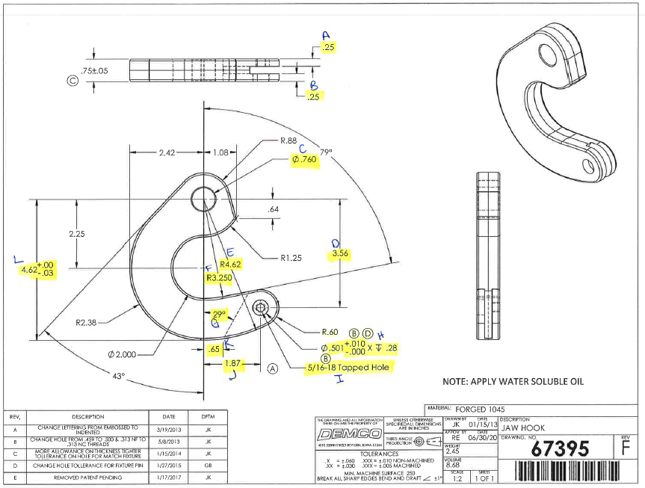
 | L1- First & Last Part Inspection

Level 1 (ISIR) Initial Sample Inspection Report
*THIS MUST BE COMPLETED FOR EACH TOOL/CAVITY USED DURING PRODUCTION RUN
Inspected By: |  |  | Supplier: |  |  | Date:
Part # 67395 REV: F |  |  |  | Product Description: Jaw Hook
PO # |  |  |  | Lot #
Highlighted feature | Print Dimension | Tolerance | Maximum | Minimum | Input Actual Dimension | Pass / Fail Result | Remarks
First Part |  |  |  |  |  | Tooling/Cavity # if applicable ( )
A. | .25 | +/- .030 | .28 | .22
B. | .25 | +/- .030 | .28 | .22
C. | .760 | +/- .010 | .770 | .750
D. | 3.56 | +/- .030 | 3.59 | 3.53
E. | R4.62 | +/- .030 | 4.65 | 4.59
F. | R3.250 | +/- .010 | 3.260 | 3.240
G. | 29° | +/- 1° | 30° | 28°
H. | .501 +.010/-.000 .28 | +/-.010 +/- .030 | .511 .31 | .501 .25
I. | 5/16-18 Tapped Hole | N/A
J. | 1.87 | +/- .030 | 1.90 | 1.84
K. | .65 | +/- .030 | .68 | .62
L. | 4.62 | +.00/-.03 | 4.62 | 4.59
Highlighted feature | Print Dimension | Tolerance | Maximum | Minimum | Actual Dimension | Pass / Fail Result | Remarks
Last Part |  |  |  |  |  | Tooling/Cavity # if applicable ( )
A. | .25 | +/- .030 | .28 | .22
B. | .25 | +/- .030 | .28 | .22
C. | .760 | +/- .010 | .770 | .750
D. | 3.56 | +/- .030 | 3.59 | 3.53
E. | R4.62 | +/- .030 | 4.65 | 4.59
F. | R3.250 | +/- .010 | 3.260 | 3.240
G. | 29° | +/- 1° | 30° | 28°
H. | .501 +.010/-.000 .28 | +/-.010 +/- .030 | .511 .31 | .501 .25
I. | 5/16-18 Tapped Hole | N/A
J. | 1.87 | +/- .030 | 1.90 | 1.84
K. | .65 | +/- .030 | .68 | .62
L. | 4.62 | +.00/-.03 | 4.62 | 4.59

(L2) Process capability (ISIR)
 | The intent of this sheet is to find out repeatability of the process to upper & lower control limits
L2

Level 2 (ISIR) Initial Sample Inspection Report
Inspected By: |  |  |  |  |  |  |  |  |  |  |  |  |  |  |  |  | Date:
Part # 67395 REV: F |  |  |  |  |  | Product Description: Jaw Hook |  |  |  |  |  |  | Tooling Cavities/Mold used on lot run; (example:#2 & #3 used)
 | Dimension | Tolerance | Maximum | Minimum | Sample #1 | Sample #2 | Sample #3 | Sample #4 | Sample #5 | Sample #6 | Sample #7 | Sample #8 | Sample #9 | Sample #10 | Sample #11 | Sample #12 | Sample #13 | Sample #14 | Sample #15 | Results Pass/Fail | Deviation
Mold/Tool Cavity # if Applicable |  |  |  |  | # | # | # | # | # | # | # | # | # | # | # | # | # | # | #
*C. | .760 | +/- .010 | .770 | .750
*D. | 3.56 | +/- .030 | 3.59 | 3.53
*J. | 1.87 | +/- .030 | 1.90 | 1.84
*L. | 4.62 | +.00/-.03 | 4.62 | 4.59
 | Dimension | Tolerance | Maximum | Minimum | Sample #16 | Sample #17 | Sample #18 | Sample #19 | Sample #20 | Sample #21 | Sample #22 | Sample #23 | Sample #24 | Sample #25 | Sample #26 | Sample #27 | Sample #28 | Sample #29 | Sample #30 | Results Pass/Fail | Deviation
Mold/Tool Cavity # if Applicable |  |  |  |  | # | # | # | # | # | # | # | # | # | # | # | # | # | # | #
*C. | .760 | +/- .010 | .770 | .750
*D. | 3.56 | +/- .030 | 3.59 | 3.53
*J. | 1.87 | +/- .030 | 1.90 | 1.84
*L. | 4.62 | +.00/-.03 | 4.62 | 4.59 |  |  |  |  |  |  |  |  |  |  |  |  |  |  |  | Results Pass/Fail | Deviation
 | Dimension | Tolerance | Maximum | Minimum | Sample #31 | Sample #32 | Sample #33 | Sample #34 | Sample #35 | Sample #36 | Sample #37 | Sample #38 | Sample #39 | Sample #40 | Sample #41 | Sample #42 | Sample #43 | Sample #44 | Sample #45
Mold/Tool Cavity # if Applicable |  |  |  |  | # | # | # | # | # | # | # | # | # | # | # | # | # | # | #
*C. | .760 | +/- .010 | .770 | .750
*D. | 3.56 | +/- .030 | 3.59 | 3.53
*J. | 1.87 | +/- .030 | 1.90 | 1.84
*L. | 4.62 | +.00/-.03 | 4.62 | 4.59

Demco Inspection
 | The intent of this sheet is to find out repeatability of the process to upper & lower control limits
L2

Level 2 (ISIR) Initial Sample Inspection Report
Inspected By: |  |  |  |  |  |  |  |  |  |  | Date:
Part # 674395 REV: F |  |  |  |  | Product Description: Jaw Hook |  |  |  | Tooling Cavities/Mold used on lot run; (example:#2 & #3 used)
 | Dimension | Tolerance | Maximum | Minimum |  | Sample #1 | Sample #2 | Sample #3 | Sample #4 | Sample #5 |  | Results Pass/Fail | Deviation
Mold/Tool Cavity # if Applicable
*C. | .760 | +/- .010 | .770 | .750
*D. | 3.56 | +/- .030 | 3.59 | 3.53
*J. | 1.87 | +/- .030 | 1.90 | 1.84
*L. | 4.62 | +.00/-.03 | 4.62 | 4.59

