(L1)First&Last (ISIR)
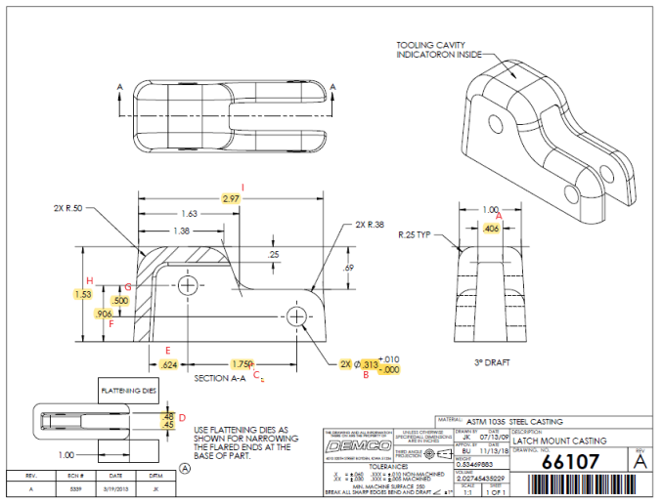
 | L1- First & Last Part Inspection

Level 1 (ISIR) Initial Sample Inspection Report
*THIS MUST BE COMPLETED FOR EACH TOOL/CAVITY USED DURING PRODUCTION RUN
Inspected By: |  |  | Supplier: |  |  | Date:
Part # 66107 REV: A |  |  |  | Product Description: Latch Mount Casting
PO # |  |  |  | Lot #
Highlighted feature | Print Dimension | Tolerance | Maximum | Minimum | Input Actual Dimension | Pass / Fail Result | Remarks
First Part |  |  |  |  |  | Tooling/Cavity # if applicable ( )
A. | 0.406 | +/- .010 | .416 | .396
B. | 2x .313 | +/- .010 | .323 | .303
C. | 1.750 | +/- .010 | 1.760 | 1.740
D. | .45-.48 | N/A | .48 | .45
E. | 0.624 | +/- .010 | .634 | .614
F | 0.906 | +/- .010 | .916 | .896
G. | 0.500 | +/- .010 | 0.510 | 0.490
H. | 1.53 | +/- .030 | 1.56 | 1.53
I. | 2.97 | +/-.030 | 3.00 | 2.95
Highlighted feature | Print Dimension | Tolerance | Maximum | Minimum | Actual Dimension | Pass / Fail Result | Remarks
Last Part |  |  |  |  |  | Tooling/Cavity # if applicable ( )
A. | 0.406 | +/- .010 | .416 | .396
B. | 2x .313 | +/- .010 | .323 | .303
C. | 1.750 | +/- .010 | 1.760 | 1.740
D. | .45-.48 | N/A | .48 | .45
E. | 0.624 | +/- .010 | .634 | .614
F | 0.906 | +/- .010 | .916 | .896
G. | 0.500 | +/- .010 | 0.510 | 0.490
H. | 1.53 | +/- .030 | 1.56 | 1.53
I. | 2.97 | +/-.030 | 3.00 | 2.95

(L2) Process capability (ISIR)
 | The intent of this sheet is to find out repeatability of the process to upper & lower control limits
L2

Level 2 (ISIR) Initial Sample Inspection Report
Inspected By: |  |  |  |  |  |  |  |  |  |  |  |  |  |  |  |  | Date:
Part # 66107 REV: A |  |  |  |  |  | Product Description: Latch Mount Casting |  |  |  |  |  |  | Tooling Cavities/Mold used on lot run; (example:#2 & #3 used)
 | Dimension | Tolerance | Maximum | Minimum | Sample #1 | Sample #2 | Sample #3 | Sample #4 | Sample #5 | Sample #6 | Sample #7 | Sample #8 | Sample #9 | Sample #10 | Sample #11 | Sample #12 | Sample #13 | Sample #14 | Sample #15 | Results Pass/Fail | Deviation
Mold/Tool Cavity # if Applicable |  |  |  |  | # | # | # | # | # | # | # | # | # | # | # | # | # | # | #
*A. | .406 | +/-.010 | .416 | .396
*B. | 2x .313 | +.010-.000 | .323 | .313
*C. | 1.750 | +/-.010 | 1.760 | 1.740
*D. | .45-.48 | N/A | .48 | .45
*E. | .624 | +/-.010 | .634 | .614
*G. | 0.500 | +/-.010 | 0.510 | 0.490
 | Dimension | Tolerance | Maximum | Minimum | Sample #16 | Sample #17 | Sample #18 | Sample #19 | Sample #20 | Sample #21 | Sample #22 | Sample #23 | Sample #24 | Sample #25 | Sample #26 | Sample #27 | Sample #28 | Sample #29 | Sample #30 | Results Pass/Fail | Deviation
Mold/Tool Cavity # if Applicable |  |  |  |  | # | # | # | # | # | # | # | # | # | # | # | # | # | # | #
*A. | .406 | +/-.010 | .416 | .396
*B. | 2x .313 | +.010-.000 | .323 | .313
*C. | 1.750 | +/-.010 | 1.760 | 1.740
*D. | .45-.48 | N/A | .48 | .45 |  |  |  |  |  |  |  |  |  |  |  |  |  |  |  | Results Pass/Fail | Deviation
*E. | .624 | +/-.010 | .634 | .614
*G. | 0.500 | +/-.010 | 0.510 | 0.490
 | Dimension | Tolerance | Maximum | Minimum | Sample #31 | Sample #32 | Sample #33 | Sample #34 | Sample #35 | Sample #36 | Sample #37 | Sample #38 | Sample #39 | Sample #40 | Sample #41 | Sample #42 | Sample #43 | Sample #44 | Sample #45
Mold/Tool Cavity # if Applicable |  |  |  |  | # | # | # | # | # | # | # | # | # | # | # | # | # | # | #
*A. | .406 | +/-.010 | .416 | .396
*B. | 2x .313 | +.010-.000 | .323 | .313
*C. | 1.750 | +/-.010 | 1.760 | 1.740
*D. | .45-.48 | N/A | .48 | .45
*E. | .624 | +/-.010 | .634 | .614
*G. | 0.500 | +/-.010 | 0.510 | 0.490

