(L1)First&Last (ISIR)
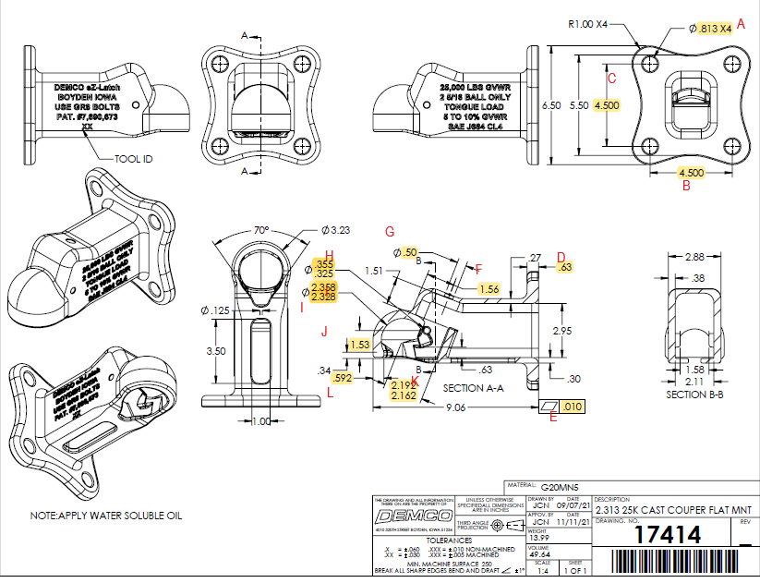
 | L1- First & Last Part Inspection

Level 1 (ISIR) Initial Sample Inspection Report
*THIS MUST BE COMPLETED FOR EACH TOOL/CAVITY USED DURING PRODUCTION RUN
Inspected By: |  |  | Supplier: |  |  | Date:
Part # 17414 REV: - |  |  |  | Product Description: 2.313 25K Cast Coupler Flat Mnt
PO # |  |  |  | Lot #
Highlighted feature | Print Dimension | Tolerance | Maximum | Minimum | Input Actual Dimension | Pass / Fail Result | Remarks
First Part |  |  |  |  |  | Tooling/Cavity # if applicable ( )
A. | 0.813 | +/- .010 | 0.823 | 0.803
B. | 4.500 | +/- .010 | 4.510 | 4.490
C. | 4.500 | +/- .010 | 4.510 | 4.490
D. | 0.63 | +/- .03 | 0.93 | 0.33
E. | 0.010 | +/- .010 | 0.020 | 0.000
F | 1.56 | +/- .03 | 1.59 | 1.53
G. | 0.50 | +/-.03 | 0.53 | 0.47
H. | .325 - .355 | N/A | 0.355 | 0.325
I. | 2.328 - 2.358 | N/A | 2.358 | 2.328
J. | 1.53 | +/- .03 | 1.56 | 1.50
K. | 2.162 - 2.192 | N/A | 2.192 | 2.162
L. | 0.592 | +/-.010 | 0.602 | 0.582
Highlighted feature | Print Dimension | Tolerance | Maximum | Minimum | Actual Dimension | Pass / Fail Result | Remarks
Last Part |  |  |  |  |  | Tooling/Cavity # if applicable ( )
A. | 0.813 | +/- .010 | 0.823 | 0.803
B. | 4.500 | +/- .010 | 4.510 | 4.490
C. | 4.500 | +/- .010 | 4.510 | 4.490
D. | 0.63 | +/- .03 | 0.93 | 0.33
E. | 0.010 | +/- .010 | 0.0200 | 0.0000
F | 1.56 | +/- .03 | 1.59 | 1.53
G. | 0.50 | +/-.03 | 0.53 | 0.47
H. | .325 - .355 | N/A | 0.355 | 0.325
I. | 2.328 - 2.358 | N/A | 2.358 | 2.328
J. | 1.53 | +/- .03 | 1.56 | 1.50
K. | 2.162 - 2.192 | N/A | 2.192 | 2.162
L. | 0.592 | +/-.010 | 0.602 | 0.582

(L2) Process Capability (ISIR)
 | The intent of this sheet is to find out repeatability of the process to upper & lower control limits
L2

Level 2 (ISIR) Initial Sample Inspection Report
Inspected By: |  |  |  |  |  |  |  |  |  |  |  |  |  |  |  |  | Date:
Part # 17414 REV: - |  |  |  |  |  | Product Description: 2.313 25K Cast Coupler Flat Mnt |  |  |  |  |  |  | Tooling Cavities/Mold used on lot run; (example:#2 & #3 used)
 | Dimension | Tolerance | Maximum | Minimum | Sample #1 | Sample #2 | Sample #3 | Sample #4 | Sample #5 | Sample #6 | Sample #7 | Sample #8 | Sample #9 | Sample #10 | Sample #11 | Sample #12 | Sample #13 | Sample #14 | Sample #15 | Results Pass/Fail | Deviation
Mold/Tool Cavity # if Applicable |  |  |  |  | # | # | # | # | # | # | # | # | # | # | # | # | # | # | #
*A. | 0.813 | +/- .010 | 0.823 | 0.803
*B. | 4.500 | +/- .010 | 4.510 | 4.490
*C. | 4.500 | +/- .010 | 4.510 | 4.490
*D. | 0.63 | +/- .03 | 0.93 | 0.33
*E. | 0.010 | +/- .010 | 0.020 | 0.000
*G. | 0.50 | +/-.03 | 0.53 | 0.47
*H. | .325-.355 | N/A | 0.355 | 0.325
*I. | 2.328-2.358 | N/A | 2.358 | 2.328
 | Dimension | Tolerance | Maximum | Minimum | Sample #16 | Sample #17 | Sample #18 | Sample #19 | Sample #20 | Sample #21 | Sample #22 | Sample #23 | Sample #24 | Sample #25 | Sample #26 | Sample #27 | Sample #28 | Sample #29 | Sample #30 | Results Pass/Fail | Deviation
Mold/Tool Cavity # if Applicable |  |  |  |  | # | # | # | # | # | # | # | # | # | # | # | # | # | # | #
*A. | 0.813 | +/- .010 | 0.823 | 0.803
*B. | 4.500 | +/- .010 | 4.510 | 4.490
*C. | 4.500 | +/- .010 | 4.510 | 4.490
*D. | 0.63 | +/- .03 | 0.93 | 0.33
*E. | 0.010 | +/- .010 | 0.020 | 0.000
*G. | 0.50 | +/-.03 | 0.53 | 0.47
*H. | .325-.355 | N/A | 0.355 | 0.325
*I. | 2.328-2.358 | N/A | 2.358 | 2.328 |  |  |  |  |  |  |  |  |  |  |  |  |  |  |  | Results Pass/Fail | Deviation
 | Dimension | Tolerance | Maximum | Minimum | Sample #31 | Sample #32 | Sample #33 | Sample #34 | Sample #35 | Sample #36 | Sample #37 | Sample #38 | Sample #39 | Sample #40 | Sample #41 | Sample #42 | Sample #43 | Sample #44 | Sample #45
Mold/Tool Cavity # if Applicable |  |  |  |  | # | # | # | # | # | # | # | # | # | # | # | # | # | # | #
*A. | 0.813 | +/- .010 | 0.823 | 0.803
*B. | 4.500 | +/- .010 | 4.510 | 4.490
*C. | 4.500 | +/- .010 | 4.510 | 4.490
*D. | 0.63 | +/- .03 | 0.93 | 0.33
*E. | 0.010 | +/- .010 | 0.020 | 0.000
*G. | 0.50 | +/-.03 | 0.53 | 0.47
*H. | .325-.355 | N/A | 0.355 | 0.325
*I. | 2.328-2.358 | N/A | 2.358 | 2.328

