(L1)First&Last (ISIR)
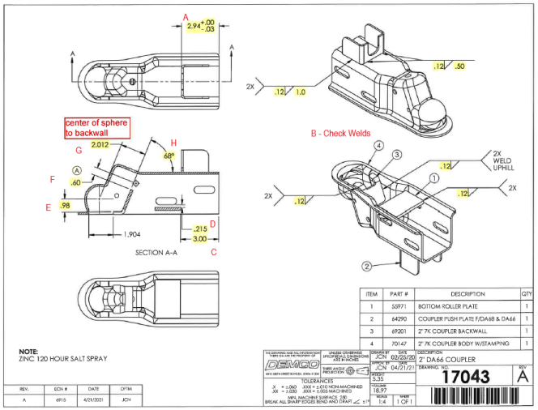
 | L1- First & Last Part Inspection

Level 1 (ISIR) Initial Sample Inspection Report
Inspected By: |  |  | Supplier: |  |  | Date:
Part # 17043 REV: A |  |  |  | Product Description: 2" DA66 Coupler
PO # |  |  |  | Lot #
Highlighted feature | Print Dimension | Tolerance | Maximum | Minimum | Input Actual Dimension | Pass / Fail Result | Remarks
First Part |  |  |  |  |  | Tooling/Cavity # if applicable ( )
A. | 2.94 | +.00/-.03 | 2.94 | 2.91
B. | Check Welds | N/A | N/A | N/A
C. | 3.00 | +/- .030 | 3.03 | 2.97
D. | 0.215 | +/- .010 | 0.225 | 0.205
E. | 0.98 | +/- .030 | 1.01 | 0.95
F. | 0.60 | +/- .030 | 0.63 | 0.57
G. | 2.012 | +/- .010 | 2.022 | 2.002
H. | 68° | +/- 1° | 69.00 | 67.00
J. | 11.04 | +/- .030 | 11.07 | 11.01
K. | 4.13 | +/- .030 | 4.16 | 4.10
L. | 1.13 | +/- .030 | 1.16 | 1.10
M. | 2X .560X1.625 | +/- .010 | .570x1.635 | .550x1.615
N. | 2.12 | +/- .030 | 2.15 | 2.09
O. | 1.25 | +/- .030 | 1.28 | 1.22
P. | 0.328 | +/- .010 | 0.338 | 0.318
Q. | 0.395 | +/- .010 | 0.405 | 0.385
R. | 2.38 | +/- .030 | 2.41 | 2.35
S. | 1.43 | +/- .030 | 1.46 | 1.40
T. | 2.88 | +/- .030 | 2.91 | 2.85
U. | 1.34 | +/- .030 | 1.37 | 1.31
V. | 0.81 | +/- .030 | 0.84 | 0.78
W. | 3.09 | +/- .030 | 3.12 | 3.06
X. | 2.019 | +/- .010 | 2.029 | 2.009
Y. | 1.16 | +/-.020 | 1.19 | 1.13
Z. | R1.010 | +/- .010 | 1.020 | 1.000
AA. | 1.441 | +/-.030 | 1.471 | 1.411
BB. | 2.60 | +/- .030 | 2.63 | 2.57
CC. | 2X R.25 | +/- .030 | 0.28 | 0.23
DD. | 112° | +/- 1° | 113.00 | 111.00
EE. | 0.83 | +/- .030 | 0.86 | 0.80
FF. | 2.22 | +/- .030 | 2.25 | 2.19
GG. | 2.12 | +/- .030 | 2.15 | 2.09
HH. | 1.63 | +/- .030 | 1.66 | 1.60
JJ. | 0.59 | +/- .030 | 0.62 | 0.56
KK. | 0.10 | +/- .030 | 0.13 | 0.07
LL. | 0.56 | +/- .030 | 0.59 | 0.53
MM. | 0.98 | +/- .030 | 1.02 | 0.95
NN. | 4X R.50 | +/- .030 | 0.53 | 0.47
OO. | 6.50 | +/- .030 | 6.53 | 6.47
PP. | 1.25 | +/- .030 | 1.28 | 1.22
QQ. | 2.63 | +/- .030 | 2.69 | 2.60
RR. | 1.75 | +/- .030 | 1.78 | 1.72
SS. | 0.38 | +/- .030 | 0.41 | 0.35
TT. | 2.38 | +/- .030 | 2.41 | 2.35
UU. | 3.03 | +.02/-.00 | 3.05 | 3.03
VV. | 2.00 | +/- .030 | 2.03 | 1.97
Highlighted feature | Print Dimension | Tolerance | Maximum | Minimum | Input Actual Dimension | Pass / Fail Result | Remarks
Last Part |  |  |  |  |  | Tooling/Cavity # if applicable ( )
A. | 2.94 | +.00/-.03 | 2.94 | 2.91
B. | Check Welds | N/A | N/A | N/A
C. | 3.00 | +/- .030 | 3.03 | 2.97
D. | 0.215 | +/- .010 | 0.225 | 0.205
E. | 0.98 | +/- .030 | 1.01 | 0.95
F. | 0.60 | +/- .030 | 0.63 | 0.57
G. | 2.012 | +/- .010 | 2.022 | 2.002
H. | 68° | +/- 1° | 69.00 | 67.00
J. | 11.04 | +/- .030 | 11.07 | 11.01
K. | 4.13 | +/- .030 | 4.16 | 4.10
L. | 1.13 | +/- .030 | 1.16 | 1.10
M. | 2X .560X1.625 | +/- .010 | .570x1.635 | .550x1.615
N. | 2.12 | +/- .030 | 2.15 | 2.09
O. | 1.25 | +/- .030 | 1.28 | 1.22
P. | 0.328 | +/- .010 | 0.338 | 0.318
Q. | 0.395 | +/- .010 | 0.405 | 0.385
R. | 2.38 | +/- .030 | 2.41 | 2.35
S. | 1.43 | +/- .030 | 1.46 | 1.40
T. | 2.88 | +/- .030 | 2.91 | 2.85
U. | 1.34 | +/- .030 | 1.37 | 1.31
V. | 0.81 | +/- .030 | 0.84 | 0.78
W. | 3.09 | +/- .030 | 3.12 | 3.06
X. | 2.019 | +/- .010 | 2.029 | 2.009
Y. | 1.16 | +/-.020 | 1.19 | 1.13
Z. | R1.010 | +/- .010 | 1.020 | 1.000
AA. | 1.441 | +/-.030 | 1.471 | 1.411
BB. | 2.60 | +/- .030 | 2.63 | 2.57
CC. | 2X R.25 | +/- .030 | 0.28 | 0.23
DD. | 112° | +/- 1° | 113.00 | 111.00
EE. | 0.83 | +/- .030 | 0.86 | 0.80
FF. | 2.22 | +/- .030 | 2.25 | 2.19
GG. | 2.12 | +/- .030 | 2.15 | 2.09
HH. | 1.63 | +/- .030 | 1.66 | 1.60
JJ. | 0.59 | +/- .030 | 0.62 | 0.56
KK. | 0.10 | +/- .030 | 0.13 | 0.07
LL. | 0.56 | +/- .030 | 0.59 | 0.53
MM. | 0.98 | +/- .030 | 1.02 | 0.95
NN. | 4X R.50 | +/- .030 | 0.53 | 0.47
OO. | 6.50 | +/- .030 | 6.53 | 6.47
PP. | 1.25 | +/- .030 | 1.28 | 1.22
QQ. | 2.63 | +/- .030 | 2.69 | 2.60
RR. | 1.75 | +/- .030 | 1.78 | 1.72
SS. | 0.38 | +/- .030 | 0.41 | 0.35
TT. | 2.38 | +/- .030 | 2.41 | 2.35
UU. | 3.03 | +.02/-.00 | 3.05 | 3.03
VV. | 2.00 | +/- .030 | 2.03 | 1.97

(L2) Process capability (ISIR)
 | The intent of this sheet is to find out repeatability of the process to upper & lower control limits
L2

Level 2 (ISIR) Initial Sample Inspection Report
Inspected By: |  |  |  |  |  |  |  |  |  |  |  |  |  |  |  |  | Date:
Part # 17043 REV: A |  |  |  |  |  | Product Description: 2" DA66 Coupler |  |  |  |  |  |  | Tooling Cavities/Mold used on lot run; (example:#2 & #3 used)
 | Dimension | Tolerance | Maximum | Minimum | Sample #1 | Sample #2 | Sample #3 | Sample #4 | Sample #5 | Sample #6 | Sample #7 | Sample #8 | Sample #9 | Sample #10 | Sample #11 | Sample #12 | Sample #13 | Sample #14 | Sample #15 | Results Pass/Fail | Deviation
Mold/Tool Cavity # if Applicable |  |  |  |  | # | # | # | # | # | # | # | # | # | # | # | # | # | # | #
*A.
*B.
*C.
*D.
*E.
*H.
 | Dimension | Tolerance | Maximum | Minimum | Sample #16 | Sample #17 | Sample #18 | Sample #19 | Sample #20 | Sample #21 | Sample #22 | Sample #23 | Sample #24 | Sample #25 | Sample #26 | Sample #27 | Sample #28 | Sample #29 | Sample #30 | Results Pass/Fail | Deviation
Mold/Tool Cavity # if Applicable |  |  |  |  | # | # | # | # | # | # | # | # | # | # | # | # | # | # | #
*A.
*B.
*C.
*D. |  |  |  |  |  |  |  |  |  |  |  |  |  |  |  |  |  |  |  | Results Pass/Fail | Deviation
*E.
*H.
 | Dimension | Tolerance | Maximum | Minimum | Sample #31 | Sample #32 | Sample #33 | Sample #34 | Sample #35 | Sample #36 | Sample #37 | Sample #38 | Sample #39 | Sample #40 | Sample #41 | Sample #42 | Sample #43 | Sample #44 | Sample #45
Mold/Tool Cavity # if Applicable |  |  |  |  | # | # | # | # | # | # | # | # | # | # | # | # | # | # | #
*A.
*B.
*C.
*D.
*E.
*H.

