(L1)First&Last (ISIR)
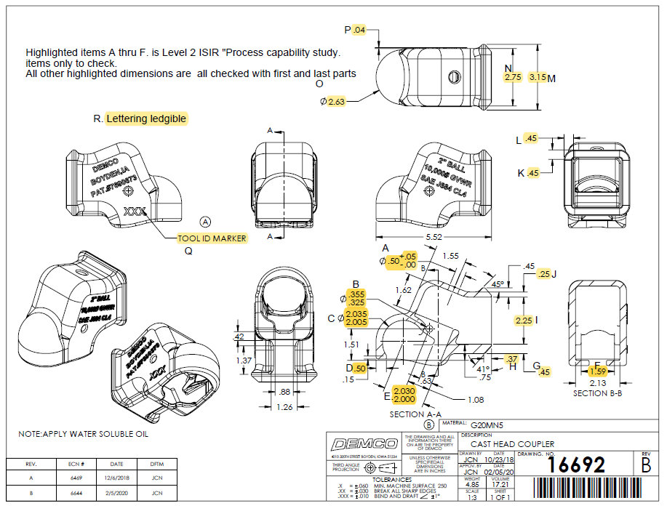
 | L1- First & Last Part Inspection

Level 1 (ISIR) Initial Sample Inspection Report
Inspected By: |  |  | Supplier: |  |  | Date:
Part # 16692 REV: B |  |  |  | Product Description: Cast Head Coupler
PO # |  |  |  | Lot #
Highlighted feature | Print Dimension | Tolerance | Maximum | Minimum | Input Actual Dimension | Pass / Fail Result | Remarks
First Part |  |  |  |  |  | Tooling/Cavity # if applicable ( )
A. | 0.50 | +.05-.00 | 0.55 | 0.50
B. | .355 - .325 | N/A | .355 | .325
C. | 2.035 - 2.005 | N/A | 2.035 | 2.005
D. | 0.50 | +/-.03 | 0.53 | 0.47
E. | 2.030 - 2.000 | N/A | 2.030 | 2.000
F | 1.59 | +/-.03 | 1.62 | 1.56
G. | 0.45 | +/-.03 | 0.48 | 0.42
H. | 0.37 | +/-.03 | 0.40 | 0.34
I. | 2.25 | +/-.03 | 2.28 | 2.22
J. | 0.25 | +/-.03 | 0.28 | 0.22
K. | 0.45 | +/-.03 | 0.48 | 0.42
L. | 0.45 | +/-.03 | 0.48 | 0.42
M. | 3.15 | +/-.03 | 3.18 | 3.12
N. | 2.75 | +/-.03 | 2.78 | 2.72
O. | 2.63 | +/-.03 | 2.66 | 2.60
P. | 0.04 | +/-.03 | 0.09 | 0.01
Q. | Tool ID Marker | N/A
R. | Lettering Legible | N/A
Highlighted feature | Print Dimension | Tolerance | Maximum | Minimum | Actual Dimension | Pass / Fail Result | Remarks
Last Part |  |  |  |  |  | Tooling/Cavity # if applicable ( )
A. | 0.50 | +.05-.00 | 0.55 | 0.50
B. | .355 - .325 | N/A | .355 | .325
C. | 2.035 - 2.005 | N/A | 2.035 | 2.005
D. | 0.50 | +/-.03 | 0.53 | 0.47
E. | 2.030 - 2.000 | N/A | 2.030 | 2.000
F | 1.59 | +/-.03 | 1.62 | 1.56
G. | 0.45 | +/-.03 | 0.48 | 0.42
H. | 0.37 | +/-.03 | 0.40 | 0.34
I. | 2.25 | +/-.03 | 2.28 | 2.22
J. | 0.25 | +/-.03 | 0.28 | 0.22
K. | 0.45 | +/-.03 | 0.48 | 0.42
L. | 0.45 | +/-.03 | 0.48 | 0.42
M. | 3.15 | +/-.03 | 3.18 | 3.12
N. | 2.75 | +/-.03 | 2.78 | 2.72
O. | 2.63 | +/-.03 | 2.66 | 2.60
P. | 0.04 | +/-.03 | 0.09 | 0.01
Q. | Tool ID Marker | N/A
R. | Lettering Legible | N/A

(L2) Process capability (ISIR)
 | The intent of this sheet is to find out repeatability of the process to upper & lower control limits
L2

Level 2 (ISIR) Initial Sample Inspection Report
Inspected By: |  |  |  |  |  |  |  |  |  |  |  |  |  |  |  |  | Date:
Part # 16692 REV: B |  |  |  |  |  | Product Description: Cast Head Coupler |  |  |  |  |  |  | Tooling Cavities/Mold used on lot run; (example:#2 & #3 used)
 | Dimension | Tolerance | Maximum | Minimum | Sample #1 | Sample #2 | Sample #3 | Sample #4 | Sample #5 | Sample #6 | Sample #7 | Sample #8 | Sample #9 | Sample #10 | Sample #11 | Sample #12 | Sample #13 | Sample #14 | Sample #15 | Results Pass/Fail | Deviation
Mold/Tool Cavity # if Applicable |  |  |  |  | # | # | # | # | # | # | # | # | # | # | # | # | # | # | #
*A. | 0.50 | +.05-.00 | 0.55 | 0.50
*B. | .355 - .325 | N/A
*C. | 2.035 - 2.005 | N/A
*D. | 0.50 | +/-.03 | 0.47 | 0.53
*E. | 2.030 - 2.000 | N/A
*F. | 1.59 | +/-.03 | 1.56 | 1.62
 | Dimension | Tolerance | Maximum | Minimum | Sample #16 | Sample #17 | Sample #18 | Sample #19 | Sample #20 | Sample #21 | Sample #22 | Sample #23 | Sample #24 | Sample #25 | Sample #26 | Sample #27 | Sample #28 | Sample #29 | Sample #30 | Results Pass/Fail | Deviation
Mold/Tool Cavity # if Applicable |  |  |  |  | # | # | # | # | # | # | # | # | # | # | # | # | # | # | #
*A. | 0.50 | +.05-.00 | 0.55 | 0.50
*B. | .355 - .325 | N/A
*C. | 2.035 - 2.005 | N/A
*D. | 0.50 | +/-.03 | 0.47 | 0.53 |  |  |  |  |  |  |  |  |  |  |  |  |  |  |  | Results Pass/Fail | Deviation
*E. | 2.030 - 2.000 | N/A
*F. | 1.59 | +/-.03 | 1.56 | 1.62
 | Dimension | Tolerance | Maximum | Minimum | Sample #31 | Sample #32 | Sample #33 | Sample #34 | Sample #35 | Sample #36 | Sample #37 | Sample #38 | Sample #39 | Sample #40 | Sample #41 | Sample #42 | Sample #43 | Sample #44 | Sample #45
Mold/Tool Cavity # if Applicable |  |  |  |  | # | # | # | # | # | # | # | # | # | # | # | # | # | # | #
*A. | 0.50 | +.05-.00 | 0.55 | 0.50
*B. | .355 - .325 | N/A
*C. | 2.035 - 2.005 | N/A
*D. | 0.50 | +/-.03 | 0.47 | 0.53
*E. | 2.030 - 2.000 | N/A
*F. | 1.59 | +/-.03 | 1.56 | 1.62

