(L1)First&Last (ISIR)
 | L1- First & Last Part Inspection

Level 1 (ISIR) Initial Sample Inspection Report
Inspected By: |  |  | Supplier: |  |  | Date:
Part # 15946 REV: - |  |  |  | Product Description: 2" 7K 3 Hole Coupler Body
PO # |  |  |  | Lot #
Highlighted feature | Print Dimension | Tolerance | Maximum | Minimum | Input Actual Dimension | Pass / Fail Result | Remarks
First Part |  |  |  |  |  | Tooling/Cavity # if applicable ( )
A. | 2.012 | +/- .010 | 2.022 | 2.002
B. | 68° | +/- 1° | 69 | 67
C. | .12 x 2 | +/- .030 | 0.15 | 0.09
D. | .12 x 2 Weld Uphill | +/- .030 | 0.15 | 0.09
E. | 11.04 | +/- .030 | 11.07 | 11.01
F | Detail N (Stamped Lettering) | N/A | Visual Inspection PASS/FAIL
G. | 0.328 | +/- .010 | 0.338 | 0.318
H. | 1.43 | +/- .030 | 1.46 | 1.40
J. | 1.34 | +/- .030 | 1.37 | 1.31
K. | 0.81 | +/- .030 | 0.84 | 0.78
L. | 3.09 | +/- .030 | 3.12 | 3.06
M. | 2.019 | +/- .010 | 2.029 | 2.009
N. | 1.98 | +/- .030 | 2.01 | 1.95
O. | 0.85 | +/- .030 | 0.88 | 0.82
P. | .531 X 3 | +/- .010 | 0.541 | 0.521
Q. | 0.75 | +/- .030 | 0.78 | 0.72
R. | 2.250 | +/- .010 | 2.260 | 2.240
S. | 3.750 | +/- .010 | 3.760 | 3.740
T. | R1.010 | +/- .010 | 1.020 | 1.000
U. | 1.157 | +/- .020 | 1.177 | 1.137

W. | 2.60 | +/- .030 | 2.63 | 2.57
X. | 2 X R.25 | +/- .030 | 0.28 | 0.22
Y. | 112° | +/- 1° | 113 | 111
Z. | 0.83 | +/- .030 | 0.86 | 0.80
AA. | 2.22 | +/- .030 | 2.25 | 2.19
BB. | 2.12 | +/- .030 | 2.15 | 2.09
CC. | 1.63 | +/- .030 | 1.66 | 1.60
DD. | 0.59 | +/- .030 | 0.62 | 0.56
EE. | 0.10 | +/- .030 | 0.13 | 0.07
FF. | 0.56 | +/- .030 | 0.59 | 0.53
GG. | 0.98 | +/- .030 | 1.01 | 0.95
Highlighted feature | Print Dimension | Tolerance | Maximum | Minimum | Input Actual Dimension | Pass / Fail Result | Remarks
Last Part |  |  |  |  |  | Tooling/Cavity # if applicable ( )
A. | 2.012 | +/- .010 | 2.022 | 2.002
B. | 68° | +/- 1° | 69 | 67
C. | .12 x 2 | +/- .030 | 0.15 | 0.09
D. | .12 x 2 Weld Uphill | +/- .030 | 0.15 | 0.09
E. | 11.04 | +/- .030 | 11.07 | 11.01
F | Detail N (Stamped Lettering) | N/A | Visual Inspection PASS/FAIL
G. | 0.328 | +/- .010 | 0.338 | 0.318
H. | 1.43 | +/- .030 | 1.46 | 1.40
J. | 1.34 | +/- .030 | 1.37 | 1.31
K. | 0.81 | +/- .030 | 0.84 | 0.78
L. | 3.09 | +/- .030 | 3.12 | 3.06
M. | 2.019 | +/- .010 | 2.029 | 2.009
N. | 1.98 | +/- .030 | 2.01 | 1.95
O. | 0.85 | +/- .030 | 0.88 | 0.82
P. | .531 X 3 | +/- .010 | 0.541 | 0.521
Q. | 0.75 | +/- .030 | 0.78 | 0.72
R. | 2.250 | +/- .010 | 2.260 | 2.240
S. | 3.750 | +/- .010 | 3.760 | 3.740
T. | R1.010 | +/- .010 | 1.020 | 1.000
U. | 1.157 | +/- .020 | 1.177 | 1.137

W. | 2.60 | +/- .030 | 2.63 | 2.57
X. | 2 X R.25 | +/- .030 | 0.28 | 0.22
Y. | 112° | +/- 1° | 113 | 111
Z. | 0.83 | +/- .030 | 0.86 | 0.80
AA. | 2.22 | +/- .030 | 2.25 | 2.19
BB. | 2.12 | +/- .030 | 2.15 | 2.09
CC. | 1.63 | +/- .030 | 1.66 | 1.60
DD. | 0.59 | +/- .030 | 0.62 | 0.56
EE. | 0.10 | +/- .030 | 0.13 | 0.07
FF. | 0.56 | +/- .030 | 0.59 | 0.53
GG. | 0.98 | +/- .030 | 1.01 | 0.95

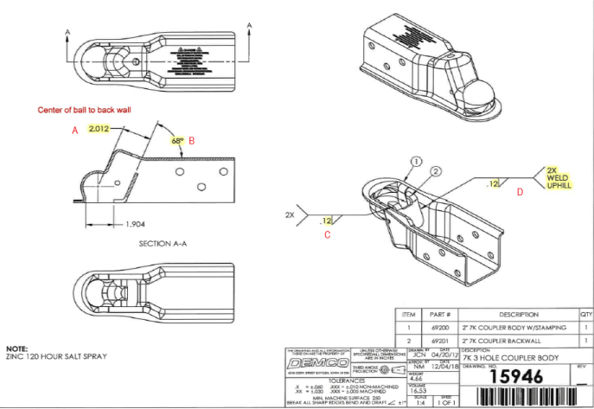

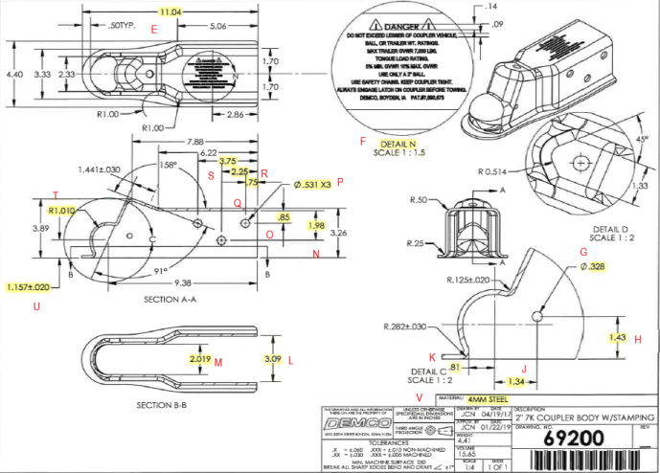

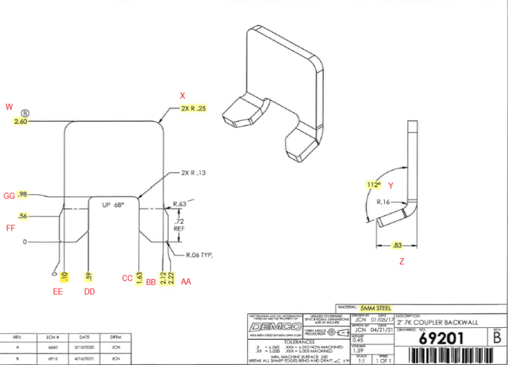

HH

(L2) Process capability (ISIR)
 | The intent of this sheet is to find out repeatability of the process to upper & lower control limits
L2

Level 2 (ISIR) Initial Sample Inspection Report
Inspected By: |  |  |  |  |  |  |  |  |  |  |  |  |  |  |  |  | Date:
Part # 15946 (69200) REV: - |  |  |  |  |  | Product Description: 2" 7K 3 Hole Coupler Body |  |  |  |  |  |  | Tooling Cavities/Mold used on lot run; (example:#2 & #3 used)
 | Dimension | Tolerance | Maximum | Minimum | Sample #1 | Sample #2 | Sample #3 | Sample #4 | Sample #5 | Sample #6 | Sample #7 | Sample #8 | Sample #9 | Sample #10 | Sample #11 | Sample #12 | Sample #13 | Sample #14 | Sample #15 | Results Pass/Fail | Deviation
Mold/Tool Cavity # if Applicable |  |  |  |  | # | # | # | # | # | # | # | # | # | # | # | # | # | # | #
*A.
*B.
*C.
*D.
*E.
*H.
 | Dimension | Tolerance | Maximum | Minimum | Sample #16 | Sample #17 | Sample #18 | Sample #19 | Sample #20 | Sample #21 | Sample #22 | Sample #23 | Sample #24 | Sample #25 | Sample #26 | Sample #27 | Sample #28 | Sample #29 | Sample #30 | Results Pass/Fail | Deviation
Mold/Tool Cavity # if Applicable |  |  |  |  | # | # | # | # | # | # | # | # | # | # | # | # | # | # | #
*A.
*B.
*C.
*D. |  |  |  |  |  |  |  |  |  |  |  |  |  |  |  |  |  |  |  | Results Pass/Fail | Deviation
*E.
*H.
 | Dimension | Tolerance | Maximum | Minimum | Sample #31 | Sample #32 | Sample #33 | Sample #34 | Sample #35 | Sample #36 | Sample #37 | Sample #38 | Sample #39 | Sample #40 | Sample #41 | Sample #42 | Sample #43 | Sample #44 | Sample #45
Mold/Tool Cavity # if Applicable |  |  |  |  | # | # | # | # | # | # | # | # | # | # | # | # | # | # | #
*A.
*B.
*C.
*D.
*E.
*H.

