(L1)First&Last (ISIR)
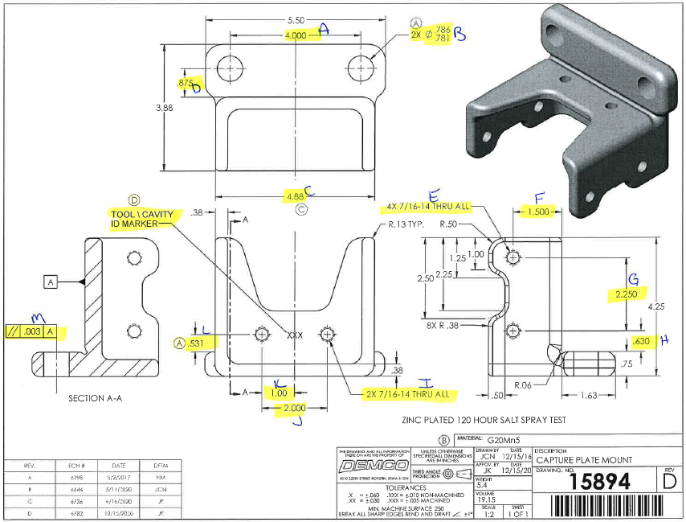
 | L1- First & Last Part Inspection

Level 1 (ISIR) Initial Sample Inspection Report
Inspected By: |  |  | Supplier: |  |  | Date:
Part # 15894 REV: D |  |  |  | Product Description: Capture Plate Mount
PO # |  |  |  | Lot #
Highlighted feature | Print Dimension | Tolerance | Maximum | Minimum | Input Actual Dimension | Pass / Fail Result | Remarks
First Part |  |  |  |  |  | Tooling/Cavity # if applicable ( )
A. | 4.000 | +/-.01 | 4.010 | 3.090
B. | .781-.786 | N/A
C. | 4.88 | +/-.03 | 4.91 | 4.85
D. | .875 | +/-.01 | .885 | .865
E. | 4x7/16-14 thru all | N/A
F | 1.500 | +/-.01 | 1.510 | 1.490
G. | 2.250 | +/-.01 | 2.260 | 2.240
H. | 0.630 | +/-.01 | 0.640 | 0.620
I. | 2x7/16-14 thru all | N/A
J. | 2.000 | +/-.01 | 2.010 | 1.090
K. | 1.00 | +/-.03 | 1.03 | 0.97
L. | 0.531 | +/-.01 | 0.540 | 0.520
M. | // .003 |  | 0.003 | 0.000
Highlighted feature | Print Dimension | Tolerance | Maximum | Minimum | Actual Dimension | Pass / Fail Result | Remarks
Last Part |  |  |  |  |  | Tooling/Cavity # if applicable ( )
A. | 4.000 | +/-.01 | 4.010 | 3.090
B. | .781-.786 | N/A
C. | 4.88 | +/-.03 | 4.91 | 4.85
D. | .875 | +/-.01 | .885 | .865
E. | 4x7/16-14 thru all | N/A
F | 1.500 | +/-.01 | 1.510 | 1.490
G. | 2.250 | +/-.01 | 2.260 | 2.240
H. | 0.630 | +/-.01 | 0.640 | 0.620
I. | 2x7/16-14 thru all | N/A
J. | 2.000 | +/-.01 | 2.010 | 1.090
K. | 1.00 | +/-.03 | 1.03 | 0.97
L. | 0.531 | +/-.01 | 0.540 | 0.520
M. | // .003 |  | 0.003 | 0.000

(L2) Process capability (ISIR)
 | The intent of this sheet is to find out repeatability of the process to upper & lower control limits
L2

Level 2 (ISIR) Initial Sample Inspection Report
Inspected By: |  |  |  |  |  |  |  |  |  |  |  |  |  |  |  |  | Date:
Part # 15894 REV: C |  |  |  |  |  | Product Description: Capture Plate Mount |  |  |  |  |  |  | Tooling Cavities/Mold used on lot run; (example:#2 & #3 used)
 | Dimension | Tolerance | Maximum | Minimum | Sample #1 | Sample #2 | Sample #3 | Sample #4 | Sample #5 | Sample #6 | Sample #7 | Sample #8 | Sample #9 | Sample #10 | Sample #11 | Sample #12 | Sample #13 | Sample #14 | Sample #15 | Results Pass/Fail | Deviation
Mold/Tool Cavity # if Applicable |  |  |  |  | # | # | # | # | # | # | # | # | # | # | # | # | # | # | #
*A. | 4.000 | +/- .010 | 4.010 | 3.090
*B. | .786 - .781
*C. | 4.88 | +/- .030 | 4.91 | 4.85
*F. | 1.500 | +/- .010 | 1.510 | 1.490
*G. | 2.250 | +/- .010 | 2.260 | 2.240
*J. | 2.000 | +/- .010 | 2.010 | 1.090
*M. | //.003 |  | 0.003 | 0.000
 | Dimension | Tolerance | Maximum | Minimum | Sample #16 | Sample #17 | Sample #18 | Sample #19 | Sample #20 | Sample #21 | Sample #22 | Sample #23 | Sample #24 | Sample #25 | Sample #26 | Sample #27 | Sample #28 | Sample #29 | Sample #30 | Results Pass/Fail | Deviation
Mold/Tool Cavity # if Applicable |  |  |  |  | # | # | # | # | # | # | # | # | # | # | # | # | # | # | #
*A. | 4.000 | +/- .010 | 4.010 | 3.090
*B. | .786 - .781
*C. | 4.88 | +/- .030 | 4.91 | 4.85
*F. | 1.500 | +/- .010 | 1.510 | 1.490 |  |  |  |  |  |  |  |  |  |  |  |  |  |  |  | Results Pass/Fail | Deviation
*G. | 2.250 | +/- .010 | 2.260 | 2.240
*J. | 2.000 | +/- .010 | 2.010 | 1.090
*M. | //.003 |  | 0.003 | 0.000
 | Dimension | Tolerance | Maximum | Minimum | Sample #31 | Sample #32 | Sample #33 | Sample #34 | Sample #35 | Sample #36 | Sample #37 | Sample #38 | Sample #39 | Sample #40 | Sample #41 | Sample #42 | Sample #43 | Sample #44 | Sample #45
Mold/Tool Cavity # if Applicable |  |  |  |  | # | # | # | # | # | # | # | # | # | # | # | # | # | # | #
*A. | 4.000 | +/- .010 | 4.010 | 3.090
*B. | .786 - .781
*C. | 4.88 | +/- .030 | 4.91 | 4.85
*F. | 1.500 | +/- .010 | 1.510 | 1.490
*G. | 2.250 | +/- .010 | 2.260 | 2.240
*J. | 2.000 | +/- .010 | 2.010 | 1.090
*M. | //.003 |  | 0.003 | 0.000

Demco Inspection
The intent of this sheet is to find out repeatability of the process to upper & lower control limits
L2

Level 2 (ISIR) Initial Sample Inspection Report
Inspected By: |  |  |  |  |  |  |  | Date:
Part # 15894 REV: C |  |  |  | Product Description: Capture Plate Mount |  |  |  | Tooling Cavities/Mold used on lot run; (example:#2 & #3 used)
 | Dimension | Tolerance | Maximum | Minimum | Sample #1 | Sample #2 | Sample #3 | Sample #4 | Sample #5 | Results Pass/Fail | Deviation
Mold/Tool Cavity # if Applicable |  |  |  |  | # | # | # | # | #
*A. | 4.000 | +/- .010 | 4.010 | 3.090
*B. | .786 - .781 | N/A | .786 | .781
*C. | 4.88 | +/- .030 | 4.91 | 4.85
*F. | 1.500 | +/- .010 | 1.510 | 1.490
*G. | 2.250 | +/- .010 | 2.260 | 2.240
*J. | 2.000 | +/- .010 | 2.010 | 1.090
*M. | //.003 |  | 0.003 | 0.000

