(L1)First&Last (ISIR)
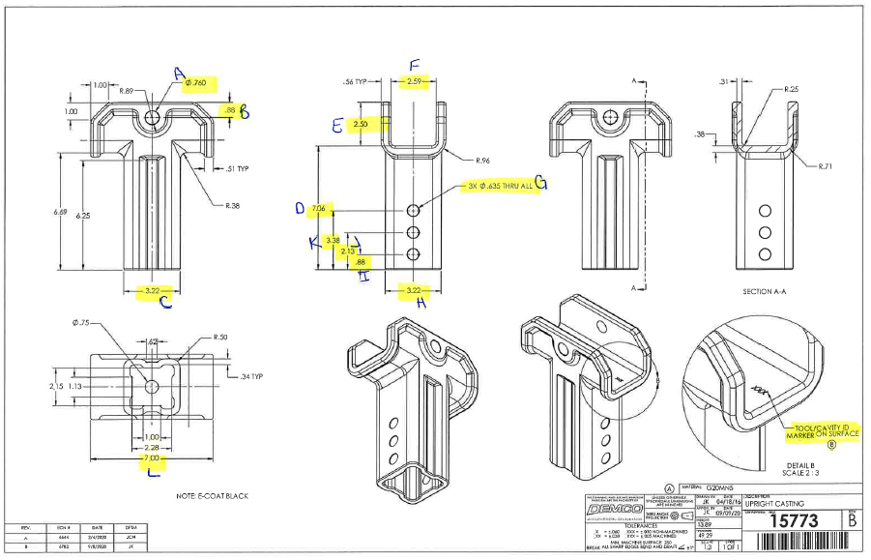
 | L1- First & Last Part Inspection

Level 1 (ISIR) Initial Sample Inspection Report
Inspected By: |  |  | Supplier: |  |  | Date:
Part # 15773 REV: B |  |  |  | Product Description: Upright Casting
PO # |  |  |  | Lot #
Highlighted feature | Print Dimension | Tolerance | Maximum | Minimum | Input Actual Dimension | Pass / Fail Result | Remarks
First Part |  |  |  |  |  | Tooling/Cavity # if applicable ( )
A. | .760 | +/-.010 | .770 | .750
B. | .88 | +/-.03 | .91 | .85
C. | 3.22 | +/-.03 | 3.25 | 3.19
D. | 7.06 | +/-.03 | 7.09 | 7.03
E. | 2.50 | +/-.03 | 2.53 | 2.47
F | 2.59 | +/-.03 | 2.62 | 2.56
G. | 3x.635 thru all | +/-.010
H. | 3.22 | +/-.03 | 3.25 | 3.19
I. | 0.88 | +/-.03 | 0.91 | 0.85
J. | 2.13 | +/-.03 | 2.16 | 2.10
K. | 3.38 | +/-.03 | 3.41 | 3.35
L. | 7.00 | +/-.03 | 7.03 | 6.97
Highlighted feature | Print Dimension | Tolerance | Maximum | Minimum | Actual Dimension | Pass / Fail Result | Remarks
Last Part |  |  |  |  |  | Tooling/Cavity # if applicable ( )
A. | .760 | +/-.010 | .770 | .750
B. | .88 | +/-.03 | .91 | .85
C. | 3.22 | +/-.03 | 3.25 | 3.19
D. | 7.06 | +/-.03 | 7.09 | 7.03
E. | 2.50 | +/-.03 | 2.53 | 2.47
F | 2.59 | +/-.03 | 2.62 | 2.56
G. | 3x.635 thru all | +/-.010
H. | 3.22 | +/-.03 | 3.25 | 3.19
I. | 0.88 | +/-.03 | 0.91 | 0.85
J. | 2.13 | +/-.03 | 2.16 | 2.10
K. | 3.38 | +/-.03 | 3.41 | 3.35
L. | 7.00 | +/-.03 | 7.03 | 6.97

(L2) Process capability (ISIR)
 | The intent of this sheet is to find out repeatability of the process to upper & lower control limits
L2

Level 2 (ISIR) Initial Sample Inspection Report
Inspected By: |  |  |  |  |  |  |  |  |  |  |  |  |  |  |  |  | Date:
Part # 15773 REV: B |  |  |  |  |  | Product Description: Upright Casting |  |  |  |  |  |  | Tooling Cavities/Mold used on lot run; (example:#2 & #3 used)
 | Dimension | Tolerance | Maximum | Minimum | Sample #1 | Sample #2 | Sample #3 | Sample #4 | Sample #5 | Sample #6 | Sample #7 | Sample #8 | Sample #9 | Sample #10 | Sample #11 | Sample #12 | Sample #13 | Sample #14 | Sample #15 | Results Pass/Fail | Deviation
Mold/Tool Cavity # if Applicable |  |  |  |  | # | # | # | # | # | # | # | # | # | # | # | # | # | # | #
*A. | .760 | +/-.010 | .770 | .750
*B. | .88 | +/-.03 | .91 | .85
*C. | 3.22 | +/-.03 | 3.25 | 3.19
*F. | 2.59 | +/-.03 | 2.62 | 2.56
*G. | 3x.635 thru all | +/-.010
*H. | 3.22 | +/-.03 | 3.25 | 3.19
 | Dimension | Tolerance | Maximum | Minimum | Sample #16 | Sample #17 | Sample #18 | Sample #19 | Sample #20 | Sample #21 | Sample #22 | Sample #23 | Sample #24 | Sample #25 | Sample #26 | Sample #27 | Sample #28 | Sample #29 | Sample #30 | Results Pass/Fail | Deviation
Mold/Tool Cavity # if Applicable |  |  |  |  | # | # | # | # | # | # | # | # | # | # | # | # | # | # | #
*A. | .760 | +/-.010 | .770 | .750
*B. | .88 | +/-.03 | .91 | .85
*C. | 3.22 | +/-.03 | 3.25 | 3.19
*F. | 2.59 | +/-.03 | 2.62 | 2.56
*G. | 3x.635 thru all | +/-.010
*H. | 3.22 | +/-.03 | 3.25 | 3.19 |  |  |  |  |  |  |  |  |  |  |  |  |  |  |  | Results Pass/Fail | Deviation
 | Dimension | Tolerance | Maximum | Minimum | Sample #31 | Sample #32 | Sample #33 | Sample #34 | Sample #35 | Sample #36 | Sample #37 | Sample #38 | Sample #39 | Sample #40 | Sample #41 | Sample #42 | Sample #43 | Sample #44 | Sample #45
Mold/Tool Cavity # if Applicable |  |  |  |  | # | # | # | # | # | # | # | # | # | # | # | # | # | # | #
*A. | .760 | +/-.010 | .770 | .750
*B. | .88 | +/-.03 | .91 | .85
*C. | 3.22 | +/-.03 | 3.25 | 3.19
*F. | 2.59 | +/-.03 | 2.62 | 2.56
*G. | 3x.635 thru all | +/-.010
*H. | 3.22 | +/-.03 | 3.25 | 3.19

Demco Inspection
L2
 | The intent of this sheet is to find out repeatability of the process to upper & lower control limits

Level 2 (ISIR) Initial Sample Inspection Report
Inspected By: |  |  |  |  |  |  |  |  |  |  | Date:
Part # 15773 REV: B |  |  |  |  | Product Description: Upright Casting |  |  |  | Tooling Cavities/Mold used on lot run; (example:#2 & #3 used)
 | Dimension | Tolerance | Maximum | Minimum |  | Sample #1 | Sample #2 | Sample #3 | Sample #4 | Sample #5 | Results Pass/Fail | Deviation
Mold/Tool Cavity # if Applicable
*A. | .760 | +/-.010 | .770 | .750
*B. | .88 | +/-.03 | .91 | .85
*C. | 3.22 | +/-.03 | 3.25 | 3.19
*F. | 2.59 | +/-.03 | 2.62 | 2.56
*G. | 3x.635 thru all | +/-.010
*H. | 3.22 | +/-.03 | 3.25 | 3.19

