(L1)First&Last (ISIR)
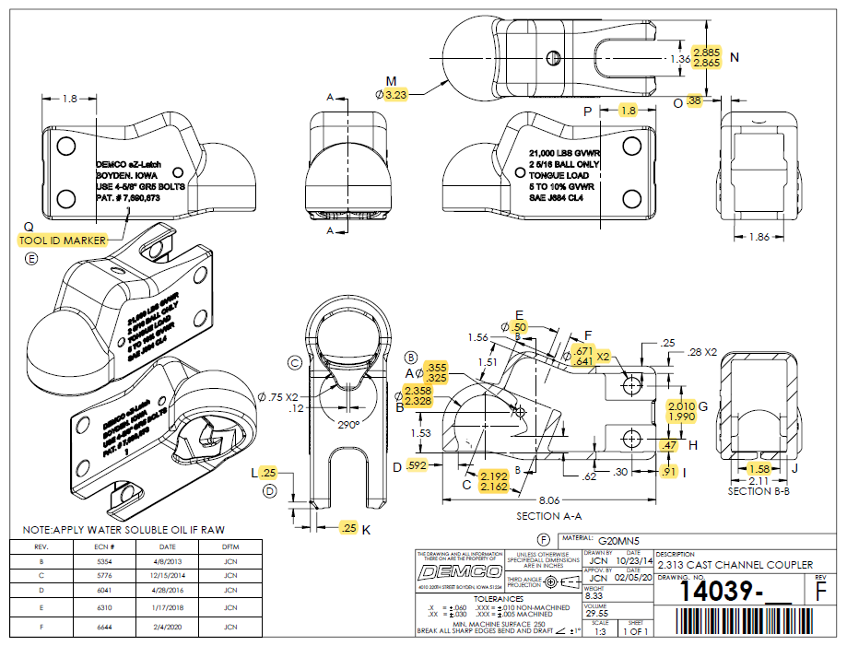
 | L1- First & Last Part Inspection

Level 1 (ISIR) Initial Sample Inspection Report
*THIS MUST BE COMPLETED FOR EACH TOOL/CAVITY USED DURING PRODUCTION RUN
Inspected By: |  |  | Supplier: |  |  | Date:
Part # 14039 REV: F |  |  |  | Product Description: 2.313 Cast Channel Coupler
PO # |  |  |  | Lot #
Highlighted feature | Print Dimension | Tolerance | Maximum | Minimum | Input Actual Dimension | Pass / Fail Result | Remarks
First Part |  |  |  |  |  | Tooling/Cavity # if applicable ( )
A. | .355 - .325 | N/A | .355 | .325
B. | 2.358 - 2.328 | N/A | 2.358 | 2.328
C. | 2.192 - 2.162 | N/A | 2.192 | 2.162
D. | 0.592 | +/-.01 | 0.602 | 0.582
E. | 0.50 | +/-.03 | 0.53 | 0.47
F | .671 - .641 | N/A | .671 | .641
G. | 2.010 - 1.990 | N/A | 2.01 | 1.99
H. | 0.47 | +/-.03 | 0.50 | 0.44
I. | 0.91 | +/-.03 | 0.94 | 0.88
J. | 1.58 | +/-.03 | 1.61 | 1.55
K. | 0.25 | +/-.03 | 0.28 | 0.22
L. | 0.25 | +/-.03 | 0.28 | 0.22
M. | 3.23 | +/-.03 | 3.26 | 3.20
N. | 2.885 - 2.865 | N/A | 2.89 | 2.87
O. | 0.38 | +/-.03 | 0.41 | 0.35
P. | 1.8 | +/-.06 | 1.860 | 1.740
Q. | Tool ID Marker | N/A
Highlighted feature | Print Dimension | Tolerance | Maximum | Minimum | Actual Dimension | Pass / Fail Result | Remarks
Last Part |  |  |  |  |  | Tooling/Cavity # if applicable ( )
A. | .355 - .325 | N/A | .355 | .325
B. | 2.358 - 2.328 | N/A | 2.358 | 2.328
C. | 2.192 - 2.162 | N/A | 2.192 | 2.162
D. | 0.592 | +/-.01 | 0.602 | 0.582
E. | 0.50 | +/-.03 | 0.53 | 0.47
F | .671 - .641 | N/A | .671 | .641
G. | 2.010 - 1.990 | N/A | 2.01 | 1.99
H. | 0.47 | +/-.03 | 0.50 | 0.44
I. | 0.91 | +/-.03 | 0.94 | 0.88
J. | 1.58 | +/-.03 | 1.61 | 1.55
K. | 0.25 | +/-.03 | 0.28 | 0.22
L. | 0.25 | +/-.03 | 0.28 | 0.22
M. | 3.23 | +/-.03 | 3.26 | 3.20
N. | 2.885 - 2.865 | N/A | 2.89 | 2.87
O. | 0.38 | +/-.03 | 0.41 | 0.35
P. | 1.8 | +/-.06 | 1.860 | 1.740
Q. | Tool ID Marker | N/A

(L2) Process capability (ISIR)
The intent of this sheet is to find out repeatability of the process to upper & lower control limits
L2

Level 2 (ISIR) Initial Sample Inspection Report
Inspected By: |  |  |  |  |  |  |  |  |  |  |  |  |  |  |  |  | Date:
Part # 14039 REV: F |  |  |  |  |  | Product Description: 2.313 Cast Channel Coupler |  |  |  |  |  |  | Tooling Cavities/Mold used on lot run; (example:#2 & #3 used)
 | Dimension | Tolerance | Maximum | Minimum | Sample #1 | Sample #2 | Sample #3 | Sample #4 | Sample #5 | Sample #6 | Sample #7 | Sample #8 | Sample #9 | Sample #10 | Sample #11 | Sample #12 | Sample #13 | Sample #14 | Sample #15 | Results Pass/Fail | Deviation
Mold/Tool Cavity # if Applicable |  |  |  |  | # | # | # | # | # | # | # | # | # | # | # | # | # | # | #
*A. | .355 - .325 | N/A | .355 | .325
*B. | 2.358 - 2.328 | N/A | 2.358 | 2.328
*C. | 2.192 - 2.162 | N/A | 2.192 | 2.162
 | Dimension | Tolerance | Maximum | Minimum | Sample #16 | Sample #17 | Sample #18 | Sample #19 | Sample #20 | Sample #21 | Sample #22 | Sample #23 | Sample #24 | Sample #25 | Sample #26 | Sample #27 | Sample #28 | Sample #29 | Sample #30 | Results Pass/Fail | Deviation
Mold/Tool Cavity # if Applicable |  |  |  |  | # | # | # | # | # | # | # | # | # | # | # | # | # | # | #
*A. | .355 - .325 | N/A | .355 | .325
*B. | 2.358 - 2.328 | N/A | 2.358 | 2.328
*C. | 2.192 - 2.162 | N/A | 2.192 | 2.162
 | Dimension | Tolerance | Maximum | Minimum | Sample #31 | Sample #32 | Sample #33 | Sample #34 | Sample #35 | Sample #36 | Sample #37 | Sample #38 | Sample #39 | Sample #40 | Sample #41 | Sample #42 | Sample #43 | Sample #44 | Sample #45
Mold/Tool Cavity # if Applicable |  |  |  |  | # | # | # | # | # | # | # | # | # | # | # | # | # | # | #
*A. | .355 - .325 | N/A | .355 | .325
*B. | 2.358 - 2.328 | N/A | 2.358 | 2.328
*C. | 2.192 - 2.162 | N/A | 2.192 | 2.162

Demco Inspection
The intent of this sheet is to find out repeatability of the process to upper & lower control limits
L2

Level 2 (ISIR) Initial Sample Inspection Report
Inspected By: |  |  |  |  |  |  |  | Date:
Part # 14039 REV: F |  |  | Product Description: 2.313 Cast Channel Coupler |  |  |  | Tooling Cavities/Mold used on lot run; (example:#2 & #3 used)
 | Dimension | Tolerance | Maximum | Minimum | Sample #1 | Sample #2 | Sample #3 | Sample #4 | Sample #5 | Results Pass/Fail | Deviation
Mold/Tool Cavity # if Applicable |  |  |  |  | # | # | # | # | #
A. | .355 - .325 | N/A | .355 | .325
B. | 2.358 - 2.328 | N/A | 2.358 | 2.328
C. | 2.192 - 2.162 | N/A | 2.192 | 2.162
D. | 0.592 | +/-.01 | 0.602 | 0.582
E. | 0.50 | +/-.03 | 0.53 | 0.47
F | .671 - .641 | N/A | .671 | .641
G. | 2.010 - 1.990 | N/A | 2.01 | 1.99
H. | 0.47 | +/-.03 | 0.50 | 0.44
I. | 0.91 | +/-.03 | 0.94 | 0.88
J. | 1.58 | +/-.03 | 1.61 | 1.55
K. | 0.25 | +/-.03 | 0.28 | 0.22
L. | 0.25 | +/-.03 | 0.28 | 0.22
M. | 3.23 | +/-.03 | 3.26 | 3.20
N. | 2.885 - 2.865 | N/A | 2.89 | 2.87
O. | 0.38 | +/-.03 | 0.41 | 0.35
P. | 1.8 | +/-.06 | 1.860 | 1.740
Q. | Tool ID Marker | N/A

