(L1)First&Last (ISIR)
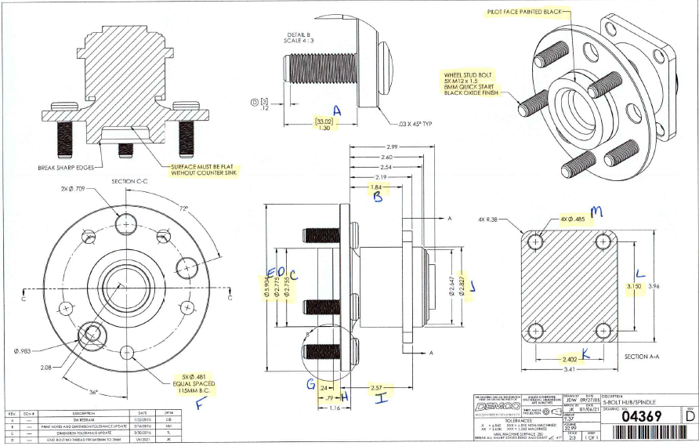
 | L1- First & Last Part Inspection

Level 1 (ISIR) Initial Sample Inspection Report
*THIS MUST BE COMPLETED FOR EACH TOOL/CAVITY USED DURING PRODUCTION RUN
Inspected By: |  |  | Supplier: |  |  | Date:
Part # 04369 REV: D |  |  |  | Product Description: 5-Bolt Hub/Spindle
PO # |  |  |  | Lot #
Highlighted feature | Print Dimension | Tolerance | Maximum | Minimum | Input Actual Dimension | Pass / Fail Result | Remarks
First Part |  |  |  |  |  | Tooling/Cavity # if applicable ( )
A. | [33.020] 1.300 | +/-.030 | [33.050] 1.330 | [32.990] 1.270
B. | 1.840 | +/-.030 | 1.870 | 1.810
C. | 2.755 | +/-.010 | 2.765 | 2.745
D. | 2.775 | +/-.010 | 2.785 | 2.765
E. | 5.904 | +/-.010 | 5.914 | 5.894
F. | 5X .481 EQUALLY SPACED 115MM B.C.
G. | .240 | +/-.010 | .250 | .230
H. | .790 | +/-.010 | .800 | .780
I. | 2.570 | +/-.010 | 2.580 | 2.560
J. | 2.827 | +/-.010 | 2.837 | 2.817
K. | 2.402 | +/-.010 | 2.412 | 2.392
L. | 3.150 | +/-.010 | 3.160 | 3.140
M. | 4X .485 | +/-.010 | .495 | .475
Highlighted feature | Print Dimension | Tolerance | Maximum | Minimum | Actual Dimension | Pass / Fail Result | Remarks
Last Part |  |  |  |  |  | Tooling/Cavity # if applicable ( )
A. | [33.020] 1.300 | +/-.030 | [33.050] 1.330 | [32.990] 1.270
B. | 1.840 | +/-.030 | 1.870 | 1.810
C. | 2.755 | +/-.010 | 2.765 | 2.745
D. | 2.775 | +/-.010 | 2.785 | 2.765
E. | 5.904 | +/-.010 | 5.914 | 5.894
F. | 5X .481 EQUALLY SPACED 115MM B.C.
G. | .240 | +/-.010 | .250 | .230
H. | .790 | +/-.010 | .800 | .780
I. | 2.570 | +/-.010 | 2.580 | 2.560
J. | 2.827 | +/-.010 | 2.837 | 2.817
K. | 2.402 | +/-.010 | 2.412 | 2.392
L. | 3.150 | +/-.010 | 3.160 | 3.140
M. | 4X .485 | +/-.010 | .495 | .475

(L2) Process capability (ISIR)
 | The intent of this sheet is to find out repeatability of the process to upper & lower control limits
L2

Level 2 (ISIR) Initial Sample Inspection Report
Inspected By: |  |  |  |  |  |  |  |  |  |  |  |  |  |  |  |  | Date:
Part # 04369 REV: D |  |  |  |  |  | Product Description: 5-Bolt Hub/Spindle |  |  |  |  |  |  | Tooling Cavities/Mold used on lot run; (example:#2 & #3 used)
 | Dimension | Tolerance | Maximum | Minimum | Sample #1 | Sample #2 | Sample #3 | Sample #4 | Sample #5 | Sample #6 | Sample #7 | Sample #8 | Sample #9 | Sample #10 | Sample #11 | Sample #12 | Sample #13 | Sample #14 | Sample #15 | Results Pass/Fail | Deviation
Mold/Tool Cavity # if Applicable |  |  |  |  | # | # | # | # | # | # | # | # | # | # | # | # | # | # | #
*A. | [33.020] 1.300 | +/-.030 | [33.050] 1.330 | [32.990] 1.270
*B. | 1.840 | +/-.030 | 1.870 | 1.810
*C. | 2.755 | +/-.010 | 2.765 | 2.745
*D. | 2.775 | +/-.010 | 2.785 | 2.765
*E. | 5.904 | +/-.010 | 5.914 | 5.894
*F. | 5X .481 EQUALLY SPACED 115MM B.C.
*G. | .240 | +/-.010 | .250 | .230
*H. | .790 | +/-.010 | .800 | .780
*I. | 2.570 | +/-.010 | 2.580 | 2.560
*J. | 2.827 | +/-.010 | 2.837 | 2.817
*K. | 2.402 | +/-.010 | 2.412 | 2.392
*L. | 3.150 | +/-.010 | 3.160 | 3.140
*M. | 4X .485 | +/-.010 | .495 | .475
 | Dimension | Tolerance | Maximum | Minimum | Sample #16 | Sample #17 | Sample #18 | Sample #19 | Sample #20 | Sample #21 | Sample #22 | Sample #23 | Sample #24 | Sample #25 | Sample #26 | Sample #27 | Sample #28 | Sample #29 | Sample #30 | Results Pass/Fail | Deviation
Mold/Tool Cavity # if Applicable |  |  |  |  | # | # | # | # | # | # | # | # | # | # | # | # | # | # | #
*A. | [33.020] 1.300 | +/-.030 | [33.050] 1.330 | [32.990] 1.270
*B. | 1.840 | +/-.030 | 1.870 | 1.810
*C. | 2.755 | +/-.010 | 2.765 | 2.745
*D. | 2.775 | +/-.010 | 2.785 | 2.765
*E. | 5.904 | +/-.010 | 5.914 | 5.894
*F. | 5X .481 EQUALLY SPACED 115MM B.C.
*G. | .240 | +/-.010 | .250 | .230
*H. | .790 | +/-.010 | .800 | .780
*I. | 2.570 | +/-.010 | 2.580 | 2.560
*J. | 2.827 | +/-.010 | 2.837 | 2.817
*K. | 2.402 | +/-.010 | 2.412 | 2.392
*L. | 3.150 | +/-.010 | 3.160 | 3.140
*M. | 4X .485 | +/-.010 | .495 | .475
 | Dimension | Tolerance | Maximum | Minimum | Sample #31 | Sample #32 | Sample #33 | Sample #34 | Sample #35 | Sample #36 | Sample #37 | Sample #38 | Sample #39 | Sample #40 | Sample #41 | Sample #42 | Sample #43 | Sample #44 | Sample #45
Mold/Tool Cavity # if Applicable |  |  |  |  | # | # | # | # | # | # | # | # | # | # | # | # | # | # | #
*A. | [33.020] 1.300 | +/-.030 | [33.050] 1.330 | [32.990] 1.270
*B. | 1.840 | +/-.030 | 1.870 | 1.810
*C. | 2.755 | +/-.010 | 2.765 | 2.745
*D. | 2.775 | +/-.010 | 2.785 | 2.765
*E. | 5.904 | +/-.010 | 5.914 | 5.894
*F. | 5X .481 EQUALLY SPACED 115MM B.C.
*G. | .240 | +/-.010 | .250 | .230
*H. | .790 | +/-.010 | .800 | .780
*I. | 2.570 | +/-.010 | 2.580 | 2.560
*J. | 2.827 | +/-.010 | 2.837 | 2.817
*K. | 2.402 | +/-.010 | 2.412 | 2.392
*L. | 3.150 | +/-.010 | 3.160 | 3.140
*M. | 4X .485 | +/-.010 | .495 | .475

Demco Inspection
 | The intent of this sheet is to find out repeatability of the process to upper & lower control limits
L2

Level 2 (ISIR) Initial Sample Inspection Report
Inspected By: |  |  |  |  |  |  |  |  |  | Date:
Part # 04369 REV: D |  |  |  |  | Product Description: 5 Bolt Hub Spindle |  |  |  | Tooling Cavities/Mold used on lot run; (example:#2 & #3 used)
 | Dimension | Tolerance | Maximum | Minimum |  | Sample #1 | Sample #2 | Sample #3 | Sample #4 | Sample #5 | Results Pass/Fail | Deviation
Mold/Tool Cavity # if Applicable
*A. | .410 | +/- .030 | .440 | .380
*B. | .940 - .970 | N/A | .970 | .940
*C. | 1.500 | +/- .030 | 1.530 | 1.470
*D. | R 1.000 | +/-.020 | R 1.020 | R .980
*E. | 2.000 | +/- .030 | 2.030 | 1.970
*F. | .500 - .540 | N/A | .540 | .500
*G. | .668 - .708 | N/A | .708 | .668
*H. | .266 | +/- .010 | .276 | .256
*I. | .500 | +/- .010 | .510 | .490

